MCA
 |  | Light Rail Corridors |  |  | Existing RTN |  |  |  | Other ATAP |  |  |  |  |  | Isthmus Corridors |  |  |  |  |  | Onewa |  | South Auckland |  |  |  |  |  | New Northern |  | Howick |  | Southern Isthmus |  |  | Crosstown Route Extensions/ Alignments |  |  |  | Northwest Extensions/ Alignments
 |  | North Shore | Isthmus | Northwest | Southern Line | Eastern Line | Western Line | Onehunga Spur | Crosstown | Upper Harbour (Henderson to Constellation) | A2B | AMETI | Ellerslie to Panmure |  | Sandringham | Mt Eden | Manukau | Tamaki | Remuera | Great South | Onewa: Glenfield | Onewa: Beachhaven | SH1 | Mill Road | Māngere to Ōtara | Flat Bush | Roscommon + Mahia |  | East | West | AMETI Spur | A2B Extension | Lynfield | Blockhouse Bay | Green Bay | To Airport | To Sylvia Park | To Ellerslie | To Panmure | Hobsonville | Whenuapai | Kumeu/ Tuapaki/ Riverhead | Western Line Spur | Western Line (Swanson to Kumeu)
1.Increase access to opportunities, especially to major and growing employment areas. | Estimated based on 2048 employment and population forecasts | 7 | 6 | 7 | 7 | 5 | 7 | 2 | 3 | 3 | 6 | 5 | 2 |  | 1 | 1 | 5 | 1 | 2 | 1 | 5 | 4 | 3 | 2 | 3 | 1 | 3 |  | 3 | 3 | 3 | 4 | 3 | 3 | 2 | 4 | 3 | 2 | 3 | 3 | 3 | 3 | 3 | 1
 |  | Connects the whole of the North Shore with the rest of Auckland - provides competitive option with motorway - significant accessibility benefits | AIRPORT, CITY CENTRE, fairly significant travel time benefits to these employment hubs | Significant travel time improvements for trip to from and within the Northwest - WESTGATE, CITY CENTRE, serving growth areas in NW | Connects South with the rest of Auckland - provides competitive option with motorway - significant accessibility benefits | Connects Manukau + Eastern Isthmus - significant accessibility benefits | Connects West with the rest of Auckland - provides competitive option with motorway - significant accessibility benefits | Increases Penrose/ Te Papapa catchment. But if retained as low frequency heavy rail, does not provide significant access benefits. | Would increase the catchment of areas within the southern end of the isthmus as well as STH, ALR, WST. | HENDERSON, WESTGATE, Connects the North Shore to these areas - less population/ employment accessibility than for City Centre connections | Connects several key employment areas (Airport, Manukau, Botany) | Improves accessibility to key employment areas (Botany + City Centre) Rapid transit time of 40 minutes from Botany to the city, 20 minutes faster than the current situation. | Enhanced access to key employment area (Botany) and enhances connection of East to Newmarket |  | Directly adjacent central corridor RTN, no significant benefits | Directly adjacent central corridor RTN, no significant benefits | Improves catchment of isthmus area - Royal Oak, Epsom, Newmarket, Onehunga, and would improve city centre and airport access (connects to LRT) | Would improve access to the tamaki road area (catchment halved by waterfront, low population, low growth), partially served by EAST, minimal network wide benefits | Would improve access to the Remuera area, minimal network wide access benefits. | Directly adjacent rail corridor, no significant benefits | Would improve access to the Glenfield area | Would improve access to the Beachhaven area | Improves access to supporting growth area of Drury, and could possibly improve access to Manukau (depending on alignment). But is adjacent to rail corridor - limits benefits | Improves access along Mill road - limited employment and population. Could possibly improve access to Manukau (depending on alignment) | Improves access between Māngere and Ōtāhuhu, limited employment access improvements. Some population access improvements. | Already served by A2B | Moderate population access improvments. Could possibly improve access to Manukau (depending on alignment) |  | Increases the catchment of north shore services - depends on arrangement with Northern busway, and supplementary RTN | Increases the catchment of north shore services - depends on arrangement with Northern busway, and supplementary RTN | Extends AMETI to Howick - improvement for employment access for those in northern end of East Auckland to the city centre (moderate) | Extends A2B to Howick - increasing employment access (Botany) as well as further to East Tamaki and Manukau (significant) | Provides an accessibility improvement for those in Lynfield | Provides an accessibility improvement for those in Blockhouse Bay | Provides an accessibility improvement for those in Green Bay (low population) | Significantly imrpoves access to key emploment area of Airtport - significantly faster connections West to Airport | Improves access to Sylvia Park | Connects crosstown route to potential Panmure Ellerslie extension of AMETI. | Connects crosstown route to AMETI. Significantly expanding connection between West and East | Extends NW to Hobsonville - area of significant population - high population growth | Extends NW to Whenuapai - area of significant population - high population growth | Extends NW to Hobsonville - area of small but growing population. Does imrpove Whuapai & Hobsonville catchment to some degree | Increases access of Welsey, Mt Roskill development areas to city centre. | Does not signficiantly increase the catchment of the Western line, does improve the catchment for Kumeu residents
2.Increase people throughput on Auckland’s most critical corridors. | 0-1,000 (1) 1,000-2,000 (2) 2,000-3,000 (3) 3,000-5,000 (4) 5,000-7,000 (5) 7,000-9,000 (6) >=9,000 (7) | 7 | 5 | 6 | 7 | 6 | 5 | 1 | 2 | 2 | 2 | 3 | 2 |  | 2 | 2 | 2 | 2 | 2 | 2 | 1 | 2 | 2 | 1 | 1 | 1 | 1 |  | 2 | 2 | 2 | 2 | 2 | 2 | 1 | 2 | 2 | 2 | 2 | 2 | 2 | 3 | 4 | 2
 |  | ~10,000 | ~6,000 | ~7,000 | 4,000 - 5,000 via Newmarket ~10,000 from South of Puhinui | ~1,600 from Manukau 7,000+ from Eastern Section | ~6,000-7,000 | ~250 | ~1,000 based on bus services - may be higher with RTN | ~1000 | ~1,000 | ~2,700 AMETI total 1,850 AMETI from Botany | ~1,500 based on bus services - may be higher with RTN |  | ~1,500 assuming 2048 bus services | ~1,500 assuming 2048 bus services | ~1,500 assuming 2048 bus services | ~1,500 assuming 2048 bus services | ~1,500 assuming 2048 bus services | ~1,500 assuming 2048 bus services | <1,000 assuming 2048 bus services | ~1,500 assuming 2048 bus services | 2923 (1,800/hr) AM peak based on 2048+ AM ATAP3_DBC_Pref_Prog 002 model run (2019) | No major bus routes, relatively low traffic volumes, patronage expected to be low | <1,000 (~700) assuming 2048 bus services | Significant demands from the Flat Bush area, but majority already served by A2B corridor. | No major bus routes, relatively low traffic volumes, patronage expected to be low |  | Based on MSM & census zone to zone demands, equal demands North of Albany, East, West of NS. Patronage depends on busway and supplementary RTN alignment | Based on MSM & census zone to zone demands, equal demands North of Albany, East, West of NS. Patronage depends on busway and supplementary RTN alignment | Based on 2028 bus routes, patronage is relatively low. HOWEVER, based on zone to zone MSM & Census demands - significant potential for throughput via mode shift. | Based on 2028 bus routes, patronage is relatively low. HOWEVER, based on zone to zone MSM & Census demands - significant potential for throughput via mode shift. | Based on MSM & census zone to zone demands, moderate demands | Based on MSM & census zone to zone demands, moderate demands | Based on MSM & census zone to zone demands, v low demands | As per crosstown route? | As per crosstown route? | As per crosstown route? | As per crosstown route? | Based on MSM demands & comp of zone to zone demands | Based on MSM demands & comp of zone to zone demands | Based on MSM demands & comp of zone to zone demands - lowest demands of 3 but will pick up some Hobsonville & Whenuapai demand | 3,600/ hr est | 1,200/ hr (2,000 passengers in the morning peak period for passenger rail services from Kumeū)
3.Increase the share of travel unaffected by congestion | Estimate based on current congestion. Where existing corridor - est impact without corridor. | 7 | 4 | 7 | 7 | 6 | 7 | 3 | 3 | 3 | 4 | 5 | 3 |  | 5 | 5 | 5 | 2 | 5 | 5 | 3 | 3 | 4 | 3 | 4 | 3 | 4 |  | 4 | 4 | 3 | 3 | 4 | 4 | 4 | 2 | 3 | 3 | 3 | 7 | 7 | 7 | 5 | 2
 |  | Alternative @ majority LoS F | Alternative @ LoS A-E with large sections at D | Alternative @ majority LoS F | Alternative @ majority LoS D-F, sections @ F (without corridor would be significantly worse) | Sections @ LoS D-F, Isthmus sections @ B-D (without corridor would be significantly worse) | Alternative @ majority LoS D-F (without corridor would be significantly worse) | Ranges between LoS B - D (without corridor would be slightly worse) | ~LoS C | Sections @ A, some sections @ F | Alternative @ majority LoS C-E | Alternative @ LoS C-F | ~LoS C |  | LoS D/E | LoS D/E | LoS D/F | LoS A/B | LoS D/F | LoS D/E | LoS F at sections of Onewa Road + City Centre, LoS A-C at other areas | LoS F at sections of Onewa Road + City Centre, LoS A-C at other areas | LoS C-E | LoS C | LoS B to E | LoS C | Ranges from LoS B to F |  | LoS between B-D | LoS between B-D | Majority LoS C | Majority LoS C | As per LRT | As per LRT | As per LRT | Onehunga to Airport, LoS A-C | Onehunga to Sylvia Park, LoS C | Onehunga to Ellerslie, LoS C | Onehunga to Panmure, LoS C | Alternative @ majority LoS F - as per NW | Alternative @ majority LoS F - as per NW | Alternative @ majority LoS F - as per NW | Isthmus corridors and SH16 are alternative - most level D/F | Alternate routes @ majority LoS A-C
4.Increase public transport’s mode share, especially for medium to long journeys, and reduce greenhouse gas emissions | Based on 2048 forecasts of mode share in areas. Higher score if serving area with low mode share. If existing, estimate of impact on mode share. | 7 | 5 | 7 | 7 | 6 | 7 | 1 | 2 | 4 | 5 | 5 | 1 |  | 2 | 2 | 2 | 2 | 2 | 2 | 2 | 2 | 4 | 3 | 4 | 2 | 3 |  | 2 | 2 | 4 | 4 | 2 | 2 | 3 | 4 | 4 | 4 | 3 | 4 | 4 | 4 | 3 | 2
 |  | Only alternative for majority of NS - patronage as evidence (50% over AHB*) | Area with existing high mode share (but also serves area of low mode share), but significant increase for mode shift | Only alternative for NW - business case? | Existing Infrastructure - Main alternative for travel from South (to North or to South) | Existing Infrastructure | Existing Infrastructure - Main alternative for travel from West | Low throughput - insignificant contribution to mode share | Serves areas with existing relatively high mode share | Low Mode Share Area | A2B contributes to an estimated 2048 am peak overall public transport mode share to the airport of 43% compared to 39% without A2B. | Low Mode Share Area | Serves areas with existing relatively high mode share, not a signficant ability for mode shift as standalone piece of infrastructure |  | Serves areas with existing relatively high mode share | Serves areas with existing relatively high mode share | Serves areas with existing relatively high mode share | Serves areas with existing relatively high mode share | Serves areas with existing relatively high mode share | Serves areas with existing relatively high mode share | Serves areas with existing relatively high mode share | Serves areas with existing relatively high mode share | Low Mode Share Area | Low Mode Share Area, low traffic volumes limits potential for mode shift | Low Mode Share Area | Limited potential for mode shift given low estimated throughput | Low Mode Share Area, low traffic volumes limits potential for mode shift |  | Serves areas with existing relatively high mode share | Serves areas with existing relatively high mode share | Low Mode Share Area | Low Mode Share Area | Serves areas with existing relatively high mode share | Serves areas with existing relatively high mode share | Potential for moderate mode shift | Low Mode Share Area | Low Mode Share Area | Low Mode Share Area | Potential for moderate mode shift | Low Mode Share Area | Low Mode Share Area | Low Mode Share Area | Potential for moderate mode shift | Minimal potential for mode shift, though does serve low mode share area
5.Enable an integrated, efficient and effective public transport network | Based on potential for network redesign for efficiency, proximity to other corridors etc | 7 | 4 | 7 | 7 | 7 | 7 | 2 | 4 | 4 | 6 | 6 | 4 |  | 1 | 1 | 4 | 3 | 3 | 1 | 5 | 5 | 3 | 1 | 4 | 1 | 4 |  | 4 | 4 | 4 | 4 | 4 | 4 | 4 | 4 | 4 | 4 | 4 | 1 | 4 | 4 | 4 | 1
 |  | As the backbone of the RTN network - critical network function that enabled the new network | Key to addresssing the capacity constraints on central isthmus corridors (as well as decreasing bus volumes within the city centre), enables some network re-design. | Northwest RTN would enable the re-design of the Northwest network in line with the rest of the new network | As the backbone of the current RTN network - critical network function that enabled the new network | As the backbone of the current RTN network - critical network function that enabled the new network | As the backbone of the current RTN network - critical network function that enabled the new network | Limited network function as standalone part of network. Connects Southern Line to future central corridor. | Connects the Isthmus FTN and RTN network to enables more connected journeys. Improves connections from the Airport to the West. | Enables a connected network between the West, Northwest and North Shore. Western Line, future Northwest RTN & Northern Corridor. | Enables the redesign of the southern Network. Connects Airport to Southern + Western Lines, and to AMETI. | Enables the redesign of the eastern network - connects the east to the EAST line and connects to the future A2B corridor. | Connects the STH and EAST lines and AMETI. Enables more connected journeys, and minimsies the number of transfers required for the east of Auckland. |  | With the proximity to the light rail corridor, limited network value | With the proximity to the light rail corridor, limited network value | Serves new catchment areas, and may enable network redesign of LRT to enable faster airport connections, and changes to crosstown RTN | Limited network value - does serve new catchment area but halved by harbour, would not enable significant network redesign considering proximity of areas to rail corridor | Limited network value - does serve new catchment area, but would not enable significant network redesign | With the proximity to the rail corridor, limited network value | Adresses significant demand, and high vols of city centre buses. Likely to reduce demand constraints on other North Shore corridors. | Adresses significant demand, and high vols of city centre buses. Likely to reduce demand constraints on other North Shore corridors. | Some potential for redesign of southern bus services. | Limited network impact | Potential for network redesign of southern bus services. | Limited network impact | Potential for network redesign of southern bus services. |  | Potential for network redesign of North Shore services, likely to reduce demand constraints on other North Shore corridors. | Potential for network redesign of North Shore services, likely to reduce demand constraints on other North Shore corridors. | Potential for network redesign | Potential for network redesign | Potential for network redesign | Potential for network redesign | Potential for network redesign | Extension of the crosstown route (Connects the Isthmus FTN and RTN network to enables more connected journeys. Improves connections from the Airport to the West) | Extension of the crosstown route (Connects the Isthmus FTN and RTN network to enables more connected journeys. Improves connections from the Airport to the West) | Extension of the crosstown route (Connects the Isthmus FTN and RTN network to enables more connected journeys. Improves connections from the Airport to the West) | Extension of the crosstown route (Connects the Isthmus FTN and RTN network to enables more connected journeys. Improves connections from the Airport to the West) | Potential for network redesign - but impact on Upper Harbour route - forces same mode as NW | Potential for network redesign | Potential for network redesign | Enables re-configuration of rail lines and provides turn around for Western line services. Could enable network re-design of services at southern end of Isthmus. | Not expected to have any significant network benefits
6.Focus most housing and employment growth in centres, nodes, and development areas. | (1) None (2) 1 of 1 category (3) 1 of 2 categories (4) 1 of 3 categories (5) Multiple in 1 category (6) Multiple in 2 category (7) Multiple in 3 category | 7 | 6 | 7 | 7 | 7 | 7 | 3 | 5 | 7 | 7 | 6 | 2 |  | 4 | 4 | 5 | 3 | 5 | 3 | 5 | 5 | 4 | 3 | 2 | 2 | 3 |  | 5 | 6 | 3 | 3 | 2 | 2 | 2 | 4 | 5 | 3 | 3 | 3 | 3 | 3 | 4 | 3
 |  | Metropolitan Centres: City Centre, Takapuna, Albany Employment Areas: City Centre, Albany, Rosedale, Takapuna/ Smales Development Areas: Albany, Sunnynook, Northcote/Takapuna | Metropolitan Centres: City Centre Employment Areas: City Centre, Airport Development Areas: Isthmus Corridor, Wesley/ Mt Roskill, Onehunga, Mangere, Eden Terrace | Metropolitan Centres: City Centre, Westgate Employment Areas: City Centre, Westgate Development Areas: Whenuapai/ Kumeū, Te Atatū, Westgate, Unitec | Metropolitan Centres: City Centre, Newmarket, Papakura Employment Areas: City Centre, Newmarket, Penrose, Wiri, Takanini Development Areas: Ellerslie, Greenlane, Ōtāhuhu, Papatoetoe, Takanini, Papakura, Drury, Pukekohe | Metropolitan Centres: City Centre, Newmarket, , Sylvia Park, Manukau Employment Areas: City Centre, Sylvia Park, Manukau Development Areas: Tāmaki, Sylvia Park, Ōtāhuhu | Metropolitan Centres: City Centre, New Lynn, Henderson Employment Areas: City Centre, New Lynn, Henderson Development Areas: Western Corridor, Wesley, Unitec | Metropolitan Centres: - Employment Areas: Penrose Industrial Development Areas: Onehunga | Metropolitan Centres: New Lynn Employment Areas: New Lynn Development Areas: Wesley, New Lynn/ Avondale, Onehunga | Metropolitan Centres: Henderson, Westgate Employment Areas: Henderson, Westgate, Rosedale Development Areas: Westgate, Whenuapai, Henderson, Hobsonville | Metropolitan Centres: Botany, Manukau Employment Areas: Airport, Botany, Manukau Development Areas: Manukau, Flat Bush? | Metropolitan Centres: Botany Employment Areas: Botany, Pakuranga Development Areas: Pakuranga, Tamaki | Metropolitan Centres: - Employment Areas: - Development Areas: Ellerslie, Tamaki |  | Metropolitan Centres: City Centre Employment Areas: City Centre Development Areas: Wesley | Metropolitan Centres: City Centre Employment Areas: City Centre Development Areas: Three Kings | Metropolitan Centres: City Centre Employment Areas: City Centre, Newmarket Development Areas: Onehunga | Metropolitan Centres: City Centre Employment Areas: City Centre Development Areas: - | Metropolitan Centres: City Centre Employment Areas: City Centre, Newmarket Development Areas: Glen Innes | Metropolitan Centres: City Centre Employment Areas: City Centre, Newmarket Development Areas: - | Metropolitan Centres: City Centre Employment Areas: City Centre Development Areas: Birkenhead, potentially connecting to Northcote | Metropolitan Centres: City Centre Employment Areas: City Centre Development Areas: Birkenhead, potentially connecting to Northcote | Metropolitan Centres: Manukau Employment Areas: Manukau Development Areas: Drury | Metropolitan Centres: Possibly Manukau Employment Areas: Possibly Manukau Development Areas: Future urban area | Metropolitan Centres: - Employment Areas: - Development Areas: Māngere, Ōtāhuhu | Metropolitan Centres: - Employment Areas: - Development Areas: Flat Bush | Metropolitan Centres: Possibly Manukau Employment Areas: Possibly Manukau, Wiri Development Areas: Manurewa |  | Metropolitan Centres: City Centre, poss Takapuna Employment Areas: City Centre, poss Takapuna Development Areas: poss Takapuna, Long Bay | Metropolitan Centres: City Centre, Albany Employment Areas: City Centre, Albany Development Areas: Albany | Metropolitan Centres: City Centre via Panmure Employment Areas: City centre via panmure Development Areas: Pakuranga, Howick | Metropolitan Centres: Botany, and Manukau via A2B Employment Areas: Botany, and Manukau via A2B Development Areas: Howick | Metropolitan Centres: City Centre via light rail connection Employment Areas: City Centre via light rail connection Development Areas: - | Metropolitan Centres: City Centre via light rail connection Employment Areas: City Centre via light rail connection Development Areas: - | Metropolitan Centres: City Centre via light rail connection Employment Areas: City Centre via light rail connection Development Areas: - | Metropolitan Centres: - Employment Areas: Airport Development Areas: Wesley, Māngere, Onehunga | Metropolitan Centres: Sylvia Park Employment Areas: Sylvia Park Development Areas: Wesley, Onehunga, Sylvia Park | Metropolitan Centres: - Employment Areas: Te Papapa/Penrose Development Areas: Wesley, Onehunga, Ellerslie | Metropolitan Centres: - Employment Areas: Te Papapa/Penrose Development Areas: Wesley, Onehunga, Panmure/ Tamaki | Metropolitan Centres: City Centre via light rail connection Employment Areas: City Centre via light rail connection Development Areas:Hobsonville | Metropolitan Centres: City Centre via light rail connection Employment Areas: City Centre via light rail connection Development Areas: Whenuapai | Metropolitan Centres: City Centre via light rail connection Employment Areas: City Centre via light rail connection Development Areas: Kumeu, some whenuapai/hobsonville | Metropolitan Centres: City Centre Employment Areas: City Centre Development Areas: Wesley/ Mt Roskill | Metropolitan Centres: City Centre via rail Employment Areas: City Centre via rail Development Areas: Kumeu, Western line via rail
Not assessed at corridor level
7.Support high quality integrated urban communities. |  | NA | NA | NA | NA | NA | NA | NA | NA | NA | NA | NA | NA |  | NA | NA | NA | NA | NA | NA | NA | NA | NA | NA | NA | NA | NA |  | NA | NA | NA | NA | NA | NA | NA | NA | NA | NA | NA | NA | NA | NA | NA | NA

 |  | 7 | 5 | 6.8333333333 | 7 | 6.1666666667 | 6.6666666667 | 2 | 3.1666666667 | 3.8333333333 | 5 | 5 | 2.3333333333

 |  | Light Rail Corridors |  |  | Existing RTN |  |  |  | Other ATAP |  |  |  |  |  |  |  |  |  |  |  |  |  |  |  |  |  |  |  | New Northern |  | Howick |  | Southern Isthmus |  |  | Crosstown Route Extensions/ Alignments |  |  |  | Northwest Extensions/ Alignments |  |  | Western Line
 |  | North Shore | Isthmus | Northwest | Southern Line | Eastern Line | Western Line | Onehunga Spur | Crosstown | Upper Harbour (Henderson to Constellation) | A2B | AMETI | Ellerslie to Panmure |  | Sandringham | Mt Eden | Manukau | Tamaki | Remuera | Great South | Onewa: Glenfield | Onewa: Beachhaven | SH1 | Mill Road | Māngere to Ōtara | Flat Bush | Roscommon + Mahia |  | East | West | AMETI Spur | A2B Extension | Lynfield | Blockhouse Bay | Green Bay | To Airport | To Sylvia Park | To Ellerslie | To Panmure | Hobsonville | Whenuapai | Kumeu/ Tuapaki/ Riverhead | Western Line Spur | Western Line (Swanson to Kumeu)
Access (Travel Times) | Access (Travel Times) | 7 | 6 | 7 | 7 | 5 | 7 | 2 | 3 | 3 | 6 | 5 | 2 | Access (Travel Times) | 1 | 1 | 5 | 1 | 2 | 1 | 5 | 4 | 3 | 2 | 3 | 1 | 3 | Access (Travel Times) | 3 | 3 | 3 | 4 | 3 | 3 | 2 | 4 | 3 | 2 | 3 | 3 | 3 | 3 | 3 | 1
Throughput | Throughput | 7 | 5 | 6 | 7 | 6 | 5 | 1 | 2 | 2 | 2 | 3 | 2 | Throughput | 2 | 2 | 2 | 2 | 2 | 2 | 1 | 2 | 2 | 1 | 1 | 1 | 1 | Throughput | 2 | 2 | 2 | 2 | 2 | 2 | 1 | 2 | 2 | 2 | 2 | 2 | 2 | 3 | 4 | 2
Choice | Choice | 7 | 4 | 7 | 7 | 6 | 7 | 3 | 3 | 3 | 4 | 5 | 3 | Choice | 5 | 5 | 5 | 2 | 5 | 5 | 3 | 3 | 4 | 3 | 4 | 3 | 4 | Choice | 4 | 4 | 3 | 3 | 4 | 4 | 4 | 2 | 3 | 3 | 3 | 7 | 7 | 7 | 5 | 2
Mode Share | Mode Share | 7 | 5 | 7 | 7 | 6 | 7 | 1 | 2 | 4 | 5 | 5 | 1 | Mode Share | 2 | 2 | 2 | 2 | 2 | 2 | 2 | 2 | 4 | 3 | 4 | 2 | 3 | Mode Share | 2 | 2 | 4 | 4 | 2 | 2 | 3 | 4 | 4 | 4 | 3 | 4 | 4 | 4 | 3 | 2
Network | Network | 7 | 4 | 7 | 7 | 7 | 7 | 2 | 4 | 4 | 6 | 6 | 4 | Network | 1 | 1 | 4 | 3 | 3 | 1 | 5 | 5 | 3 | 1 | 4 | 1 | 4 | Network | 4 | 4 | 4 | 4 | 4 | 4 | 4 | 4 | 4 | 4 | 4 | 1 | 4 | 4 | 4 | 1
Centres & Development | Centres & Development | 7 | 6 | 7 | 7 | 7 | 7 | 3 | 5 | 7 | 7 | 6 | 2 | Centres & Development | 4 | 4 | 5 | 3 | 5 | 3 | 5 | 5 | 4 | 3 | 2 | 2 | 3 | Centres & Development | 5 | 6 | 3 | 3 | 2 | 2 | 2 | 4 | 5 | 3 | 3 | 3 | 3 | 3 | 4 | 3
TOD | TOD | NA | NA | NA | NA | NA | NA | NA | NA | NA | NA | NA | NA | TOD | NA | NA | NA | NA | NA | NA | NA | NA | NA | NA | NA | NA | NA | TOD | NA | NA | NA | NA | NA | NA | NA | NA | NA | NA | NA | NA | NA | NA | NA | NA

 |  | 42 | 30 | 41 | 42 | 37 | 40 | 12 | 19 | 23 | 30 | 30 | 14 |  | 15 | 15 | 23 | 13 | 19 | 14 | 21 | 21 | 20 | 13 | 18 | 10 | 18 |  | 20 | 21 | 19 | 20 | 17 | 17 | 16 | 20 | 21 | 18 | 18 | 20 | 23 | 24 | 23 | 11
 |  | Existing/Included | Included | Included | Existing | Existing | Existing | To test | Likely included | Likely included | Included | Included | Included |  | Not included | Not included | To test | Not included | Not included | Not included | To test | To test | Not included | Not included | Not included | Not included | Not included |  | To test | To test | To test | To test | To test | To test | Not included | NYA | To test | To test | To test | To test | To test | To test | To test | Not included

Dem Cap
 |  | Corridor Demands |  | Corridor Demands |  | PT Mode Capacities
 |  | Peak Direction |  |  |  |  |  |  |  |  |  | Buses
 | ATAP Corridors | PT | Car | PT Demand (1hr) | Car Demand (1hr) | Bus Lanes | Busway | On Street Rail | Grade Sep Rail | Heavy Rail |  | PT Demand (1hr) | Vol (SD) | VOL (DD) | Bus Lanes | Busway | On Street Rail | Grade Sep Rail | Heavy Rail
 |  |  |  |  |  | 2,400 | 8,000 | 7,200 | 14,400 | 22,000 |  |  |  |  | 480 | 1,600 | 2,160 | 4,320 | 6,600
Big 3 | North Shore (-Onewa) | 17,001 | 19,102 | 10200.6 | 11461.2 | 2,400 | 8,000 | 7,200 | 14,400 | 22,000 | North Shore (-Onewa) | 10200.6 | 183 | 128 | 480 | 1,600 | 2,160 | 4,320 | 6,600
 | Isthmus | 9,622 | 1,510 | 5773.2 | 906 | 2,400 | 8,000 | 7,200 | 14,400 | 22,000 | Isthmus | 5773.2 | 104 | 73 | 480 | 1,600 | 2,160 | 4,320 | 6,600
 | Northwest | 11,458 | 13,910 | 6874.8 | 8346 | 2,400 | 8,000 | 7,200 | 14,400 | 22,000 | Northwest | 6874.8 | 123 | 86 | 480 | 1,600 | 2,160 | 4,320 | 6,600
 |  |  |  |  |  | 2,400 | 8,000 | 7,200 | 14,400 | 22,000 |  |  |  |  | 480 | 1,600 | 2,160 | 4,320 | 6,600
Existing Rail | STH | 7,709 | - | 4625.4 | - | 2,400 | 8,000 | 7,200 | 14,400 | 22,000 | STH | 4625.4 | 83 | 58 | 480 | 1,600 | 2,160 | 4,320 | 6,600
 | EAST | 19,652 | - | 11791.2 | - | 2,400 | 8,000 | 7,200 | 14,400 | 22,000 | EAST | 11791.2 | 211 | 148 | 480 | 1,600 | 2,160 | 4,320 | 6,600
 | WEST | 10,806 | - | 6483.6 | - | 2,400 | 8,000 | 7,200 | 14,400 | 22,000 | WEST | 6483.6 | 116 | 82 | 480 | 1,600 | 2,160 | 4,320 | 6,600
 | Onehunga Spur | 425 | - | 255 | - | 2,400 | 8,000 | 7,200 | 14,400 | 22,000 | Onehunga Spur | 255 | 5 | 4 | 480 | 1,600 | 2,160 | 4,320 | 6,600
 |  |  |  |  |  | 2,400 | 8,000 | 7,200 | 14,400 | 22,000 |  |  |  |  | 480 | 1,600 | 2,160 | 4,320 | 6,600
Other ATAP | Crosstown | 1,592 | - | 955.2 | - | 2,400 | 8,000 | 7,200 | 14,400 | 22,000 | Crosstown | 955.2 | 18 | 12 | 480 | 1,600 | 2,160 | 4,320 | 6,600
 | UH: Constellation | 1,803 | 8,756 | 1081.8 | 5253.6 | 2,400 | 8,000 | 7,200 | 14,400 | 22,000 | UH: Constellation | 1081.8 | 20 | 14 | 480 | 1,600 | 2,160 | 4,320 | 6,600
 | UH: Henderson | 1,302 | 1,683 | 781.2 | 1009.8 | 2,400 | 8,000 | 7,200 | 14,400 | 22,000 | UH: Henderson | 781.2 | 14 | 10 | 480 | 1,600 | 2,160 | 4,320 | 6,600
 | A2B: SH20B | 1,511 | 3,321 | 906.6 | 1992.6 | 2,400 | 8,000 | 7,200 | 14,400 | 22,000 | A2B: SH20B | 906.6 | 17 | 12 | 480 | 1,600 | 2,160 | 4,320 | 6,600
 | A2B: Te Irirangi | 1,836 | 3,190 | 1101.6 | 1914 | 2,400 | 8,000 | 7,200 | 14,400 | 22,000 | A2B: Te Irirangi | 1101.6 | 20 | 14 | 480 | 1,600 | 2,160 | 4,320 | 6,600
 | AMETI: Botany | 3,086 | 2,075 | 1851.6 | 1245 | 2,400 | 8,000 | 7,200 | 14,400 | 22,000 | AMETI: Botany | 1851.6 | 34 | 24 | 480 | 1,600 | 2,160 | 4,320 | 6,600
 | AMETI: Howick | 1,210 | 5,364 | 726 | 3218.4 | 2,400 | 8,000 | 7,200 | 14,400 | 22,000 | AMETI: Howick | 726 | 13 | 10 | 480 | 1,600 | 2,160 | 4,320 | 6,600
 | AMETI: Total | 4,449 | 7,439 | 2669.4 | 4463.4 | 2,400 | 8,000 | 7,200 | 14,400 | 22,000 | AMETI: Total | 2669.4 | 48 | 34 | 480 | 1,600 | 2,160 | 4,320 | 6,600
 | AMETI: Ellerslie | 2,412 | 2,529 | 1447.2 | 1517.4 | 2,400 | 8,000 | 7,200 | 14,400 | 22,000 | AMETI: Ellerslie | 1447.2 | 26 | 19 | 480 | 1,600 | 2,160 | 4,320 | 6,600
 |  |  |  |  |  | 2,400 | 8,000 | 7,200 | 14,400 | 22,000 |  |  |  |  | 480 | 1,600 | 2,160 | 4,320 | 6,600
 | North Shore (+Onewa) | 22,067 | 21,372 | 13240.2 | 12823.2 | 2,400 | 8,000 | 7,200 | 14,400 | 22,000 | North Shore (+Onewa) | 13240.2 | 237 | 166 | 480 | 1,600 | 2,160 | 4,320 | 6,600

 | Additional Corridors | PT | Car | PT Demand (1hr) | Car Demand (1hr) | Bus Lanes | Busway | On Street Rail | Grade Sep Rail | Heavy Rail | Potential Additional
 | AMETI: Total | 4,449 | 7,439 | 2,669 | 4,463 | 2,400 | 8,000 | 7,200 | 14,400 | 22,000
 | A2B: Te Irirangi | 1,836 | 3,190 | 1101.6 | 1914 | 2,400 | 8,000 | 7,200 | 14,400 | 22,000
 | UH: Constellation | 1803 | 8756 | 1081.8 | 5253.6 | 2,400 | 8,000 | 7,200 | 14,400 | 22,000
 |  |  |  |  |  | 2,400 | 8,000 | 7,200 | 14,400 | 22,000
 | Sandringham | 2,800 | 2,323 | 1680 | 1393.8 | 2,400 | 8,000 | 7,200 | 14,400 | 22,000 | Sandringham | 1680 | 30 | 21
 | Mt Eden | 2,600 | 1,853 | 1560 | 1111.8 | 2,400 | 8,000 | 7,200 | 14,400 | 22,000 | Mt Eden | 1560 | 28 | 20
 | Manukau | 2,861 | 2,117 | 1716.6 | 1270.2 | 2,400 | 8,000 | 7,200 | 14,400 | 22,000 | Manukau | 1716.6 | 31 | 22
 | Remerua | 2,370 | 2,613 | 1422 | 1567.8 | 2,400 | 8,000 | 7,200 | 14,400 | 22,000 | Remerua | 1422 | 26 | 18
 | Great South | 2,329 | 2,741 | 1397.4 | 1644.6 | 2,400 | 8,000 | 7,200 | 14,400 | 22,000 | Great South | 1397.4 | 25 | 18
 | Tamaki | 2,418 | 1,652 | 1450.8 | 991.2 | 2,400 | 8,000 | 7,200 | 14,400 | 22,000 | Tamaki | 1450.8 | 26 | 19
 | SH1 | NA | 11,124 | #VALUE! | 6674.4 | 2,400 | 8,000 | 7,200 | 14,400 | 22,000 | SH1 | #VALUE! | #VALUE! | #VALUE!
 | Mill Road | NA | 3,348 | #VALUE! | 2008.8 | 2,400 | 8,000 | 7,200 | 14,400 | 22,000 | Mill Road | #VALUE! | #VALUE! | #VALUE!
 | Papatoetoe to Māngere | 1,222 | 1,684 | 733.2 | 1010.4 | 2,400 | 8,000 | 7,200 | 14,400 | 22,000 | Papatoetoe to Māngere | 733.2 | 14 | 10
 | Papatoetoe to Ōtara | 1,134 | 2,958 | 680.4 | 1774.8 | 2,400 | 8,000 | 7,200 | 14,400 | 22,000 | Papatoetoe to Ōtara | 680.4 | 13 | 9
 | Roscommon + Mahia | NA | 3,374 | #VALUE! | 2024.4 | 2,400 | 8,000 | 7,200 | 14,400 | 22,000 | Roscommon + Mahia | #VALUE! | #VALUE! | #VALUE!
 | Onewa: Total | 4,203 | 1,317 | 2521.8 | 790.2 | 2,400 | 8,000 | 7,200 | 14,400 | 22,000 | Onewa: Total | 2521.8 | 46 | 32
 | Onewa: Glenfield | 1,022 | 1,068 | 613.2 | 640.8 | 2,400 | 8,000 | 7,200 | 14,400 | 22,000 | Onewa: Glenfield | 613.2 | 11 | 8
 | Onewa: Beachhaven | 2,777 | 1,453 | 1666.2 | 871.8 | 2,400 | 8,000 | 7,200 | 14,400 | 22,000 | Onewa: Beachhaven | 1666.2 | 30 | 21

 |  |  |  |  |  | 2,400 | 8,000 | 7,200 | 14,400 | 22,000
 | Flat Bush | NA | NA | #VALUE! | #VALUE! | 2,400 | 8,000 | 7,200 | 14,400 | 22,000 | Flat Bush | #VALUE! | #VALUE! | #VALUE!
 | AMETI: Howick | 1,210 | 5,364 | 726 | 3218.4 | 2,400 | 8,000 | 7,200 | 14,400 | 22,000 | AMETI: Howick | 726 | 13 | 10
ATAP CORRIDORS
 | PT Demand (1hr) | Car Demand (1hr) |  | Bus Lanes | Busway | On Street Rail | Grade Sep Rail | Heavy Rail
AMETI: Total | 2669.4 | 4463.4 |  | 2,400 | 8,000 | 7,200 | 14,400 | 22,000
A2B: Te Irirangi | 1101.6 | 1914 |  | 2,400 | 8,000 | 7,200 | 14,400 | 22,000
UH: Constellation | 1081.8 | 5253.6 |  | 2,400 | 8,000 | 7,200 | 14,400 | 22,000
 |  |  |  | 2,400 | 8,000 | 7,200 | 14,400 | 22,000
Sandringham | 1680 | 1393.8 |  | 2,400 | 8,000 | 7,200 | 14,400 | 22,000
Mt Eden | 1560 | 1111.8 |  | 2,400 | 8,000 | 7,200 | 14,400 | 22,000
Manukau | 1716.6 | 1270.2 |  | 2,400 | 8,000 | 7,200 | 14,400 | 22,000
Remerua | 1422 | 1567.8 |  | 2,400 | 8,000 | 7,200 | 14,400 | 22,000
Great South | 1397.4 | 1644.6 |  | 2,400 | 8,000 | 7,200 | 14,400 | 22,000
Tamaki | 1450.8 | 991.2 |  | 2,400 | 8,000 | 7,200 | 14,400 | 22,000
SH1 | 0 | 6674.4 |  | 2,400 | 8,000 | 7,200 | 14,400 | 22,000
Mill Road | 0 | 2008.8 |  | 2,400 | 8,000 | 7,200 | 14,400 | 22,000
Papatoetoe to Māngere | 733.2 | 1010.4 |  | 2,400 | 8,000 | 7,200 | 14,400 | 22,000
Papatoetoe to Ōtara | 680.4 | 1774.8 |  | 2,400 | 8,000 | 7,200 | 14,400 | 22,000
Roscommon + Mahia | 0 | 2024.4 |  | 2,400 | 8,000 | 7,200 | 14,400 | 22,000
Onewa: Total | 2521.8 | 790.2 |  | 2,400 | 8,000 | 7,200 | 14,400 | 22,000
Onewa: Glenfield | 613.2 | 640.8 |  | 2,400 | 8,000 | 7,200 | 14,400 | 22,000
Onewa: Beachhaven | 1666.2 | 871.8 |  | 2,400 | 8,000 | 7,200 | 14,400 | 22,000
ATAP CORRIDORS
 | PT Demand (1hr) | Car Demand (1hr) |  | Bus Lanes | Busway | On Street Rail | Grade Sep Rail | Heavy Rail
North Shore (-Onewa) | 10200.6 | 11461.2 |  | 2,400 | 8,000 | 7,200 | 14,400 | 22,000
Isthmus | 5773.2 | 906 |  | 2,400 | 8,000 | 7,200 | 14,400 | 22,000
Northwest | 6874.8 | 8346 |  | 2,400 | 8,000 | 7,200 | 14,400 | 22,000
 |  |  |  | 2,400 | 8,000 | 7,200 | 14,400 | 22,000
STH | 4625.4 | 0 |  | 2,400 | 8,000 | 7,200 | 14,400 | 22,000
EAST | 11791.2 | 0 |  | 2,400 | 8,000 | 7,200 | 14,400 | 22,000
WEST | 6483.6 | 0 |  | 2,400 | 8,000 | 7,200 | 14,400 | 22,000
Onehunga Spur | 255 | 0 |  | 2,400 | 8,000 | 7,200 | 14,400 | 22,000
 |  |  |  | 2,400 | 8,000 | 7,200 | 14,400 | 22,000
Crosstown | 955.2 | 0 |  | 2,400 | 8,000 | 7,200 | 14,400 | 22,000
UH: Constellation | 1081.8 | 5253.6 |  | 2,400 | 8,000 | 7,200 | 14,400 | 22,000
UH: Henderson | 781.2 | 1009.8 |  | 2,400 | 8,000 | 7,200 | 14,400 | 22,000
A2B: SH20B | 906.6 | 1992.6 |  | 2,400 | 8,000 | 7,200 | 14,400 | 22,000
A2B: Te Irirangi | 1101.6 | 1914 |  | 2,400 | 8,000 | 7,200 | 14,400 | 22,000
AMETI: Botany | 1851.6 | 1245 |  | 2,400 | 8,000 | 7,200 | 14,400 | 22,000
AMETI: Howick | 726 | 3218.4 |  | 2,400 | 8,000 | 7,200 | 14,400 | 22,000
AMETI: Total | 2669.4 | 4463.4 |  | 2,400 | 8,000 | 7,200 | 14,400 | 22,000
AMETI: Ellerslie | 1447.2 | 1517.4 |  | 2,400 | 8,000 | 7,200 | 14,400 | 22,000
 |  |  |  | 2,400 | 8,000 | 7,200 | 14,400 | 22,000
North Shore (+Onewa) | 13240.2 | 12823.2 |  | 2,400 | 8,000 | 7,200 | 14,400 | 22,000

Southern Isthmus
Onewa Comparison - 2018 Census |  |  | Southern Isthmus Extensions - 2048 AM Peak AFC |  |  | Southern Isthmus Extensions - 2018 Census |  |  | Crosstown Extension to Airport

 | Beachhaven-Cathswood-Northcote |  |  | Wesley/ Owairaka - Blockhouse Bay |  |  | Wesley/ Owairaka - Blockhouse Bay |  |  | Airport - Māngere
 | Outbound | Inbound |  | Outbound | Inbound |  | Outbound | Inbound | MSM | Outbound | Inbound
City Centre | 9,615 | -6 | City Centre + Fringe | 1,981 | -255 | City Centre | 6,024 | -18 | City Centre & Fringe | 550 | 550
City Fringe | 3,087 | -6 | Isthmus Central | 1,215 | -909 | City Fringe | 2,166 | -30 | West Auckland | 2,007 | 2,007
Isthmus | 2,412 | -39 | North Shore | 361 | -335 | Isthmus Central | 5,811 | -1,974 | Hillborough | 1,247 | 1,247
East | 0 | -6 |  |  |  | North Shore | 1,035 | -39 | Onehunga | 633 | 633
South | 984 | 0 | TOTAL | 3,196 | -1,164 | TOTAL | 14,001 | -2,022 | Avondale | 242 | 242
West | 291 | -18 |  |  |  |  |  |  | Wesley | 312 | 312
 |  |  |  | Hillsborough-Mt Roskill-Lynfield |  |  | Hillsborough-Mt Roskill-Lynfield
 |  |  |  | Outbound | Inbound |  | Outbound | Inbound | TOTAL | 4,991 | 4,991
TOTAL | 16,389 | -75 | City Centre + Fringe | 4,209 | -544 | City Centre | 9,747 | -6
 |  |  | Isthmus Central | 6,717 | -5,849 | City Fringe | 3,666 | -6
Onewa Comparison - 2048 AM Peak |  |  | North Shore | 916 | -577 | Isthmus Central | 18,561 | -13,827
 |  |  |  |  |  | North Shore | 1,185 | 0
 | Beachhaven-Cathswood-Northcote |  | TOTAL | 10,926 | -6,393 | TOTAL | 31,974 | -13,839
 | Outbound | Inbound
City + Fringe | 4,484 | -493 |  | Green Bay-Titirangi |  |  | Green Bay-Titirangi
Isthmus | 1,624 | -1,075 |  | Outbound | Inbound |  | Outbound | Inbound
East | 61 | -155 | City Centre + Fringe | 1,442 | -151 | City Centre | 3,117 | 0
South | 348 | -372 | Isthmus Central | 474 | -291 | City Fringe | 1,785 | 0
West | 581 | -477 | North Shore | 366 | -344 | Isthmus Central | 1,752 | -18
 |  |  |  |  |  | North Shore | 702 | 0
 |  |  | TOTAL | 1,916 | -442 | TOTAL | 6,654 | -18
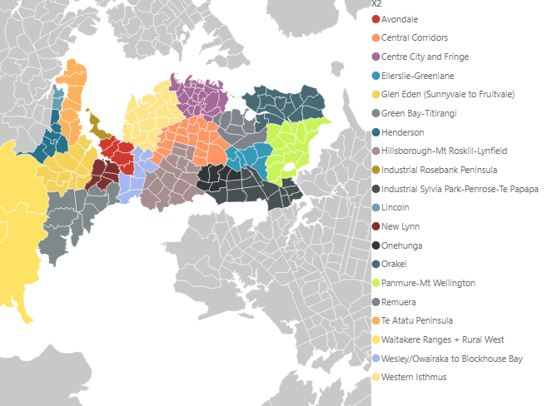
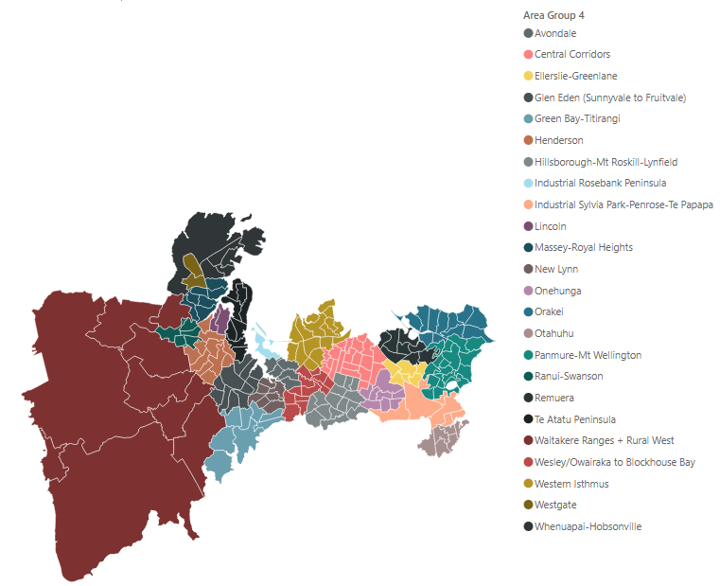
TOTAL | 6,108 | -1,568

 |  |  |  | Wesley/ Owairaka - Blockhouse Bay
 |  |  |  | Outbound | Inbound
 |  |  | City Centre + Fringe | 1,981 | -255
 |  |  | Isthmus Central | 1,215 | -909
 |  |  | North Shore | 3,631 | -335

 |  |  | TOTAL | 3,196 | -1,164

 |  |  |  | Hillsborough-Mt Roskill-Lynfield
 |  |  |  | Outbound | Inbound
 |  |  | City Centre + Fringe | 5,176 | -544
 |  |  | Isthmus Central | 7,870 | -5,849
 |  |  | North Shore | 1,103 | -577

 |  |  | TOTAL | 13,046 | -6,393

 |  |  |  | Green Bay-Titirangi
 |  |  |  | Outbound | Inbound
 |  |  | City Centre + Fringe | 1,442 | -151
 |  |  | Isthmus Central | 474 | -291
 |  |  | North Shore | 366 | -344

 |  |  | TOTAL | 1,916 | -442

2nd East
Onewa Comparison - 2018 Census |  |  | Howick - 2048 AM Peak AFC |  |  | Howick - 2018 Census

 | Beachhaven-Cathswood-Northcote |  |  | Botany-Pakuranga |  |  | Botany-Pakuranga
 | Outbound | Inbound |  | Outbound | Inbound |  | Outbound | Inbound
City Centre | 9,615 | -6 | City Centre + Fringe | 3,539 | 228 | City Centre | 8,799 | 0
City Fringe | 3,087 | -6 | Central Isthmus | 6,992 | 2,449 | City Fringe | 3,057 | 21
Isthmus | 2,412 | -39 | North Shore | 1,091 | 308 | Central Isthmus | 12,966 | 1,947
East | 0 | -6 | Far North | 19 | 7 | North Shore | 606 | 0
South | 984 | 0 | Far West | 55 | 44 | Far North | 0 | 0
West | 291 | -18 | West Auckland | 408 | 241 | Far West | 0 | 0
 |  |  |  |  |  | West Auckland | 242 | 0
 |  |  | TOTAL | 12,104 | 3,277
TOTAL | 16,389 | -75 |  |  |  | TOTAL | 25,670 | 1,968
 |  |  |  | Botany-Pakuranga
Onewa Comparison - 2048 AM Peak |  |  |  | Outbound | Inbound |  | Botany-Pakuranga
 |  |  | South Auckland | 6,998 | 5,257 |  | Outbound | Inbound
 | Beachhaven-Cathswood-Northcote |  | Botany | 1,834 | 1,769 | South Auckland | 17,088 | 3,384
 | Outbound | Inbound | Far South | 116 | 276 | Botany | 1,353 | 2,118
City + Fringe | 4,484 | -493 |  |  |  | Far South | 0 | 0
Isthmus | 1,624 | -1,075 | TOTAL | 8,948 | 7,302
East | 61 | 155 |  |  |  | TOTAL | 18,441 | 5,502
South | 348 | 372
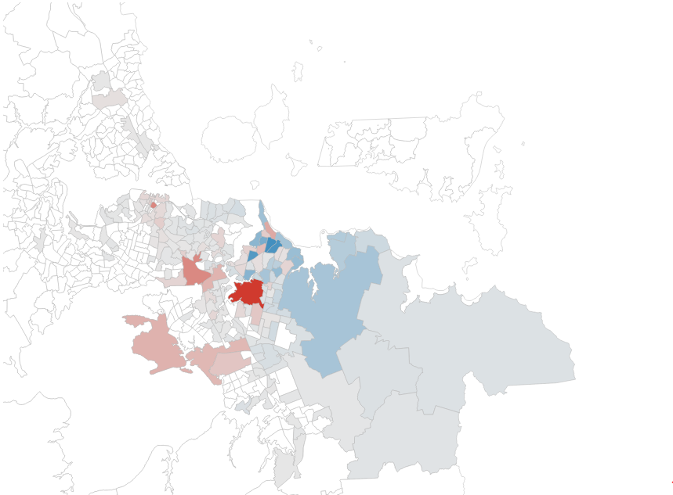
West | 581 | 477

TOTAL | 7,098 | -564

North Shore
Onewa Comparison - 2018 Census |  |  | Howick - 2048 AM Peak AFC |  |  | Howick - 2018 Census

 | Beachhaven-Cathswood-Northcote |  |  | West |  |  | Botany-Pakuranga
 | Outbound | Inbound |  | Outbound | Inbound |  | Outbound | Inbound
City Centre | 9,615 | -6 | City Centre + Fringe | 6,016 | 1,101 | City Centre | 8,799 | 0
City Fringe | 3,087 | -6 | All other (exc NS + CC) | 5,238 | 9,745 | City Fringe | 3,057 | 21
Isthmus | 2,412 | -39 | Internal (West) | 12,677 | 12,677 | Central Isthmus | 12,966 | 1,947
East | 0 | -6 |  |  |  | North Shore | 606 | 0
South | 984 | 0 | TOTAL | 23,931 | 23,523 | Far North | 0 | 0
West | 291 | -18 |  |  |  | Far West | 0 | 0
 |  |  |  | East |  | West Auckland | 242 | 0
 |  |  |  | Outbound | Inbound
TOTAL | 16,389 | -75 | City Centre + Fringe | 6,999 | 1,361 | TOTAL | 25,670 | 1,968
 |  |  | All other (exc NS + CC) | 5,099 | 7,794
Onewa Comparison - 2048 AM Peak |  |  | Internal (East) | 14,096 | 14,095 |  | Botany-Pakuranga
 |  |  |  |  |  |  | Outbound | Inbound
 | Beachhaven-Cathswood-Northcote |  | TOTAL | 26,194 | 23,250 | South Auckland | 17,088 | 3,384
 | Outbound | Inbound |  |  |  | Botany | 1,353 | 2,118
City + Fringe | 4,484 | -493 |  | North of Albany & Whangaparaoa |  | Far South | 0 | 0
Isthmus | 1,624 | -1,075 |  | Outbound | Inbound
East | 61 | 155 | City Centre + Fringe | 5,251 | 403 | TOTAL | 18,441 | 5,502
South | 348 | 372 | All other (exc NS + CC) | 4,761 | 4,006
West | 581 | 477 | Internal (North of Albany) | 17,021 | 17,134

 |  |  | TOTAL | 27,033 | 21,543

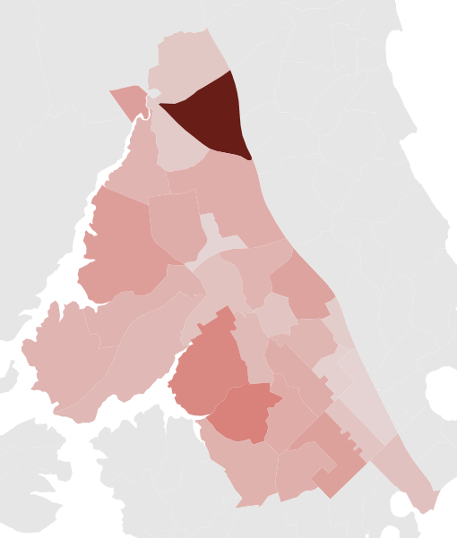
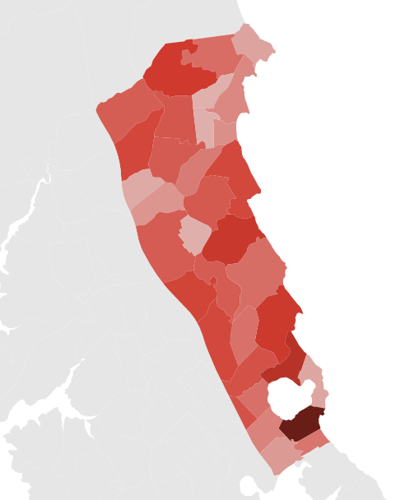
TOTAL | 7,098 | -564 | v

